
 |  |  |  | CODE: |  |  | pl1163 aa SN from 98E905
DESCRIPTION: |  | WHEEL / SMALL WHEEL |  | RÄDCHEN | ROUE | RUEDA / RUEDECILLA | RUOTINO PRESSIONE
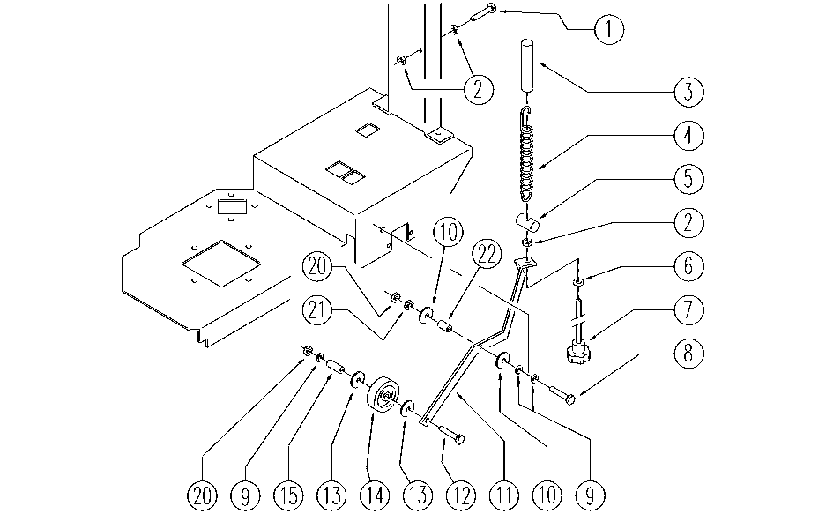

REF. | CODE | DESCRIPTION | QT
1 | E89486 | Screw | 1
2 | E86873 | Nut | 3
3 | MP19201 | SHEATH | 1
4 | E86455 | AS20 Spring | 1
5 | SL07199 | SPRING COUPLING | 1
6 | E86758 | Washer | 1
7 | SL20047 | KNOB (o HANDWHEEL) | 1
8 | E89464 | Screw | 1
9 | E86879 | Washer | 3
10 | SL06053 | WASHER | 2
11 | SL09589 | LEVER | 1
12 | E86870 | Screw | 1
13 | SL08024-1 | WASHER | 2
14 | SL08024-3 | WHEEL / SMALL WHEEL | 1
15 | SL08024-2 | PIN | 1
20 | E86853 | Nyloc Hex Nut, M8 Zinc | 2
21 | E86876 | Nut | 1
22 | E87774 | Bushing AS20 | 1

